Quick Access Toolbar
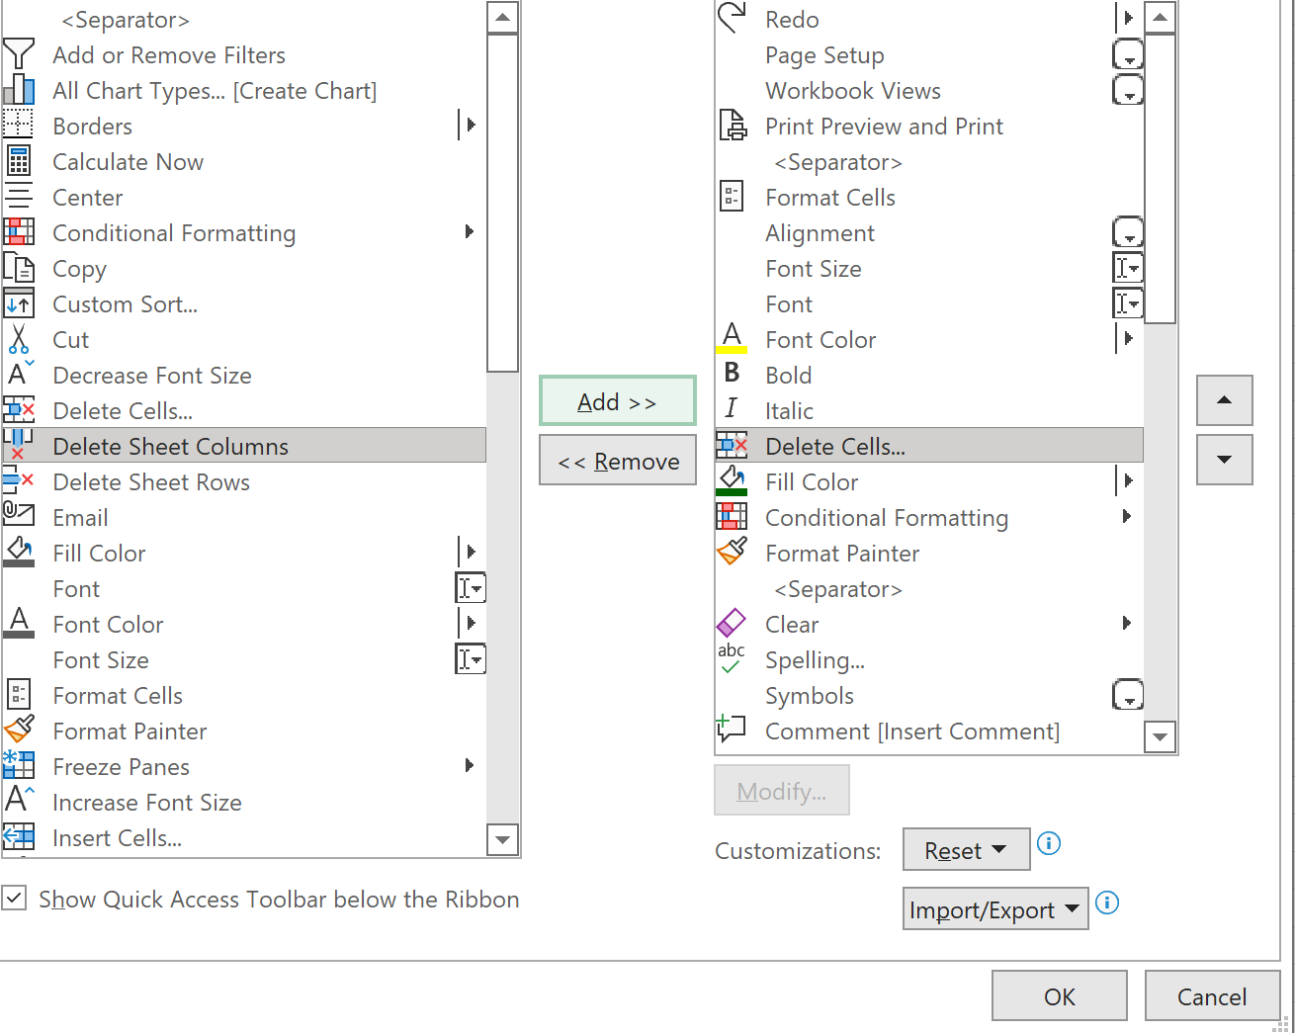
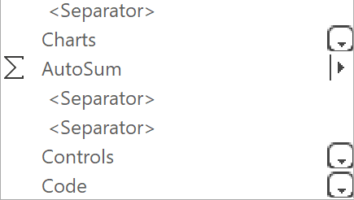
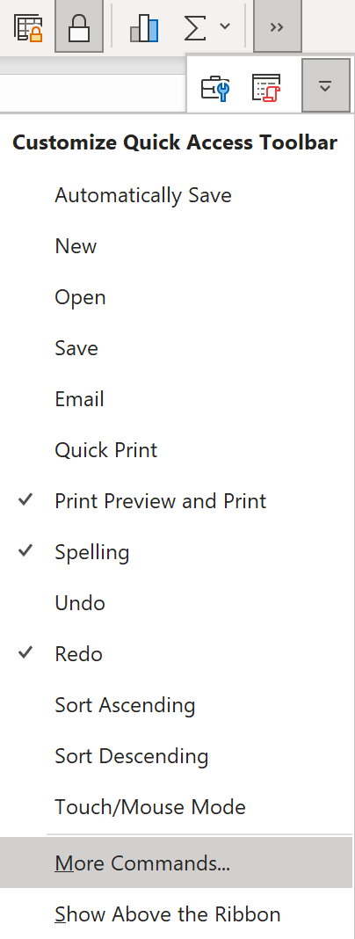
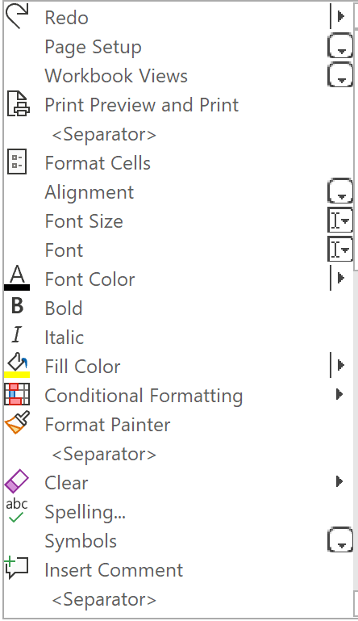
Items for the Quick Access Toolbar
 |  |  |  Here is a recommended Toolbar | Back to Index
To add or delete items from the Quick access toolbar,

 Proceed to the end of the toolbar, click on the |  | icon

Then click on the down arrow | and select 'More Commands', as at right

 Select 'All commands' or those of a particular category
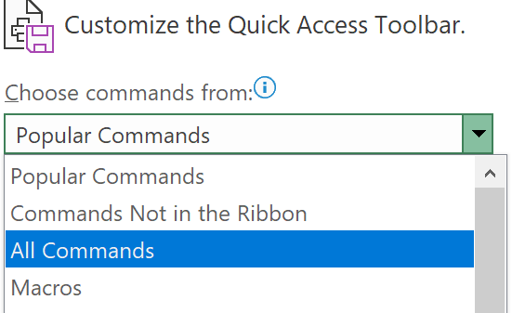

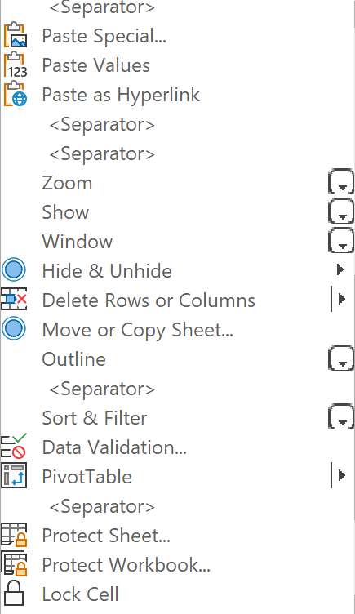
 Then select the item you want, from the left hand list, click 'Add' in the middle,
and it will appear below the item you have selected in the right-hand list

General
 | General functions
 |  |  |  |  |  |  |  |  |  | Back to Index
 | Absolute Value
 |  |  | Result
 | =ABS(E5) |  | 7 | -7

 | Sign
 | Gives the sign of a number, representing +ive as “+1” and –ive as “-1”. Syntax: Sign(cell) or Sign(number)
 |  |  | Result
 | =SIGN(E11) |  | -1 | -12

 | Roundup, Rounddown, Round
 | Round, Roundup, Roundown (Rounding a number up or down to a certain number of digits after decimal)
 | Round numbers up/down, to a specified number of digits after or before the decimal point.
 | Syntax: Roundup/down(number, number of digits after decimal point) A negative number = rounds figures before the decimal point
 |  |  | Result
 | =ROUNDUP(E19,1) |  | 10.3 | 10.236

 | =ROUNDUP(E21,0) |  | 35 | 34.2365

 | =ROUNDUP(E23,-4) |  | 360000 | 352563

 | Even/Odd
 | Rounds up to the nearest odd or even integer Eg: Even(4.56) = 6 Eg: Odd(4.56) = 5

 | Rand and Randbetween
 | =Rand(), will give a random number less than 1. (if you want a higher number than 1, multiply by 10 or so)
 | =Randbetween(1,100) or Randbetween(A3,A4) gives a random number between two other numbers whenever sheet is recalculated.
 | Both these formulae recalculate their random number whenever anything occurs on the sheet.
 |  |  |  | Result
 | =Randbetween(K34,K35) |  |  | 251 |  | 1
 |  |  |  |  |  | 500

 | Shapes with Hyperlinks
 | To insert a shape: Insert > Shapes
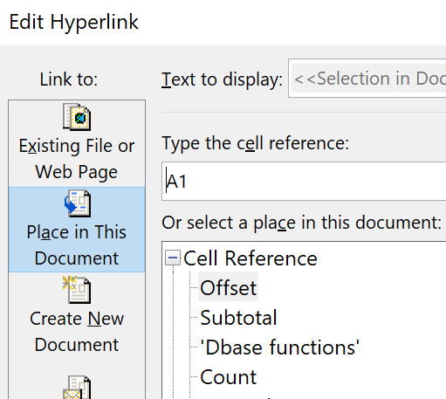

 | Right click > Link. Then click on button at the left, labelled ‘Place in this Document’, and select the required sheet

 |  |  | This shape is linked to another sheet
 |  |  | in this file

 | Data Bar Chart in a Single Cells
 | Type =REPT("|",the value to be depicted in your chart) into the cell
 | Rept repeats a value, or symbol in this case, by the number of times shown in the second part of the formula
 | This symbol, |,called the 'pipe', is created by Alt 124 on the numeric keyboard
 | The second part of the formula is the value in the column to the left, which is the number of times the pipe is to be repeated
 | =REPT("|",N64) - gives the result in cell O61, below
 | Formatting the chart: change format to 'Playbill' which thickens the pipes to make a solid bar

 | Australia | 23 | |||||||||||||||||||||||
 | Greece | 56 | ||||||||||||||||||||||||||||||||||||||||||||||||||||||||
 | Italy | 14 | ||||||||||||||
 | China | 58 | ||||||||||||||||||||||||||||||||||||||||||||||||||||||||||
 | Bosnia | 98 | ||||||||||||||||||||||||||||||||||||||||||||||||||||||||||||||||||||||||||||||||||||||||||||||||||
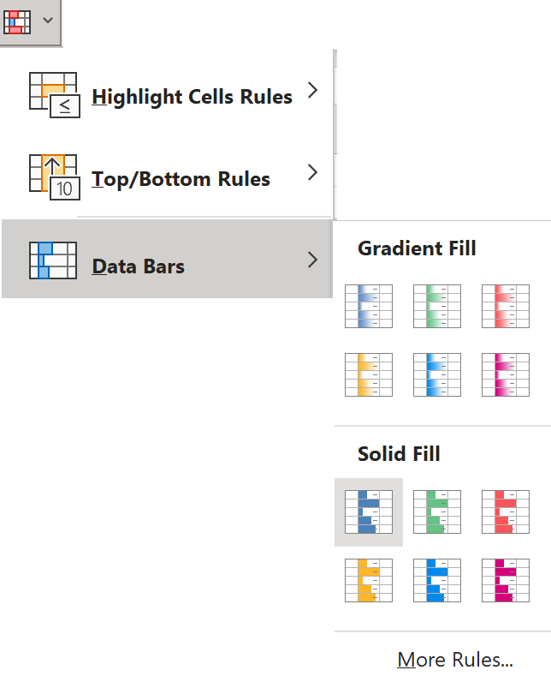

 | Data Bars - a simple way to depict values
 | Select a cell range for your bar, including
 | the value you want to chart, and merge them

 | Select 'Conditional Formatting' > Data bars > and type

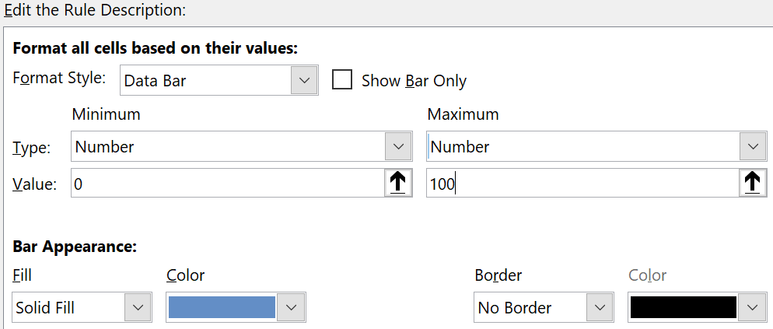
 | Then, with cursor still in the cell range, select 'Conditional Formatting' > Data bars > and 'More rules'
 | In this instance, the maximum and
 | minimum are set as numbers,
 | with a range from 0 to 100

 | Here's how it looks |  |  |  | 63
 | Changing the number in the bar alters its appearance correspondingly

 | Rank
 | Gives the sequential rank of a value
 |  |  |  | Result |  |  | 6
 | =RANK(5,H83:H89) |  |  | RANK(5,H83:H89) |  |  | 2
 |  |  |  |  |  |  | 4
 |  |  |  |  |  |  | 5
 |  |  |  |  |  |  | 15
 |  |  |  |  |  |  | 2
 |  |  |  |  |  |  | 3

 | Exact
 | Determines if two pieces of text are identical |  |  |  |  | =EXACT(text1, text2)
 | Useful for identifying a single example of each type of text in a column, where there are many repetitions

 | Here, the exact formula helps identify |  |  |  | Australia
 | one example of each country in the list |  |  |  | Australia | Remove
 | The list could be later coped >paste special> |  |  |  | Australia | Remove
 | sorted by the second column, to assemble a |  |  |  | Italy | FALSE
 | list featuring a single instance of each |  |  |  | Italy | Remove
 | nation in the list |  |  |  | Greece | FALSE
 |  |  |  |  | Greece | Remove
 |  |  |  |  | Greece | Remove
 |  |  |  |  | Greece | Remove
 |  |  |  |  | China | FALSE
 |  |  |  |  | China | Remove

 | Upper, Lower and Proper
 | These format text, into upper, lower or proper case

Upper | =UPPER(H110) |  | the chickens are loose |  | Result
Lower | =LOWER(H110) |  |  |  | THE CHICKENS ARE LOOSE
Proper | =PROPER(H110) |  |  |  | the chickens are loose
 |  |  |  |  | The Chickens Are Loose

 | Mid - selects a portion of text from the middle of a longer string of text
 | It requires that you identify the cell with the text, then the sequential position of the first letter to extract, then the minimum length of the string to extract
 | =Mid(text, sequential position of the first letter to extract, number of letters)
 |  |  |  |  | Result
 | =MID(H117,FIND(":",H117)+2,100) |  |  |  | 3165 |  | Hayden Brown: 3165
 |  |  |  |  |  |  | Jeff Anglel: 3543
 |  |  |  |  |  |  | William Pitt: 3412
 |  |  |  |  |  |  | Mary Saunders: 3689
 |  |  |  |  | Result
 | =MID(H125,FIND(",",H125)+2,FIND("3",H125)-3-FIND(",",H125)) |  |  |  | degree |  | Hayden Brown, degree 3165
 |  |  |  |  | certificate |  | Jeff Anglel, certificate 3543
 |  |  |  |  | higher schooling |  | William Pitt, higher schooling 3412
 |  |  |  |  | PhD |  | Mary Saunders, PhD 3689

 | Replace - same as Mid, but it replaces that text with another
 | =REPLACE(text, sequential position of first letter to extract, number of letters to extract, "text to replace it with")

 | Len
 | Len (counting characters in text)
 | Calculates the number of text characters (including spaces) in a cell.
 | Syntax: Len(cell with text in it) Eg: If A1= ‘Testing” Len(A1)=7
 |  |  |  | Result
 | =LEN(G138) |  |  | 28 |  | This is a sample of the text

 | This function is useful when nested in 'Mid' functions
 |  |  |  |  |  |  | Result
 | =MID(H142,FIND(",",H142)+2,LEN(H142)-FIND(",",H142)-6) |  |  |  |  |  | East Bentleigh |  | George White, East Bentleigh 3165

 | Rows or Columns
 | Rows (or Columns) (Counting the number of rows or columns)
 | Calculates number of rows within the cell range specified.
 | Rows(A1:A5)=5. |  | Columns(A1:F1)=6
 |  |  |  | Result
 | =ROWS(G146:G148) |  |  | 3 |  | Cheese | Dairy | 12
 | =COLUMNS(G146:I148) |  |  | 3 |  | Apples | Fruit | 25
 |  |  |  |  |  | Meat | Protein | 21

 | Row or Column
 | Row (or Column) (Giving the actual row or column number)
 | Gives the row or column number for the cell specified.
 |  |  |  | Result
 | =ROW(G154) |  |  | 169
 | =COLUMN(G155) |  |  | 7

 | Find
 | Find (case sensitive and does not allow wildcards)
 | Locates a letter or group of letters within a piece of text and returns the number representing the sequential position of the character within the cell.
 | =Find(Find text, within text, start at number) (if start at number is omitted it is assumed to be 1)
 | Eg: =Find(“J”,”OUIJA”,1) would return 4.
 | Eg: If A4 = Sammson, =FIND(“S”, A4, 4) returns 5.
 |  |  |  | Result
 | =FIND("eese",G165) |  |  | 3 |  | Cheese | Dairy | 12

 | And OR
 | Combines conditions which may be required for another function
 |  |  |  |  | Result
 | IF(OR(G175="Milk",H175="Dairy"),"OK","") |  |  |  | OK |  | Milk | Dairy | 25

 | Max and Min
 | These select the maximum or minimum value from a range
 | =MAX(range)
 |  |  | Result |  |  | 5
 | =MAX(G182:G188) |  | 9 |  |  | 6
 |  |  |  |  |  | 9
 | =MIN(G182:G188) |  | 1 |  |  | 8
 |  |  |  |  |  | 2
 |  |  |  |  |  | 1
 |  |  |  |  |  | 4

 | Small and Large
 | Returns nth smallest or nth largest value from a range |  |  |  |  | 5
 | =Small(range,nth smallest) |  |  |  |  | 6
 |  |  | Result |  |  | 9
 | =SMALL(G191:G197,3) |  | 4 |  |  | 8
 |  |  |  |  |  | 2
 | =LARGE(G191:G197,2) |  | 8 |  |  | 1
 |  |  |  |  |  | 4

 | Isblank, Isnull, IsNA, Isnumber etc
 | These deliver True or False if the cell contains a particular type of value |  |  |  |  |  |  |  | 1
 |  |  |  | Result |  |  |  |  | 2
 | ISBLANK(D215) |  | Test | FALSE |  |  | 2 | 0 | #DIV/0!
 | ISNUMBER(D216) |  | 12 | TRUE |  |  |  |  | 0

 |  |  |  | Result |  |  |  |  | 3
 | These are most useful when nested in an 'If' function. Eg:
 | IF(ISBLANK(D220),0,"") |  |  | 0

 | Cell
 | =CELL(term for what you want to know about the cell, cell reference)
 | What you want to know about the cell include: |  |  |  |  |  | “col” - which column it is in
 |  |  |  |  |  |  | “row” – which row it is in
 |  |  |  |  |  |  | “address” – address of cell
 |  |  |  |  |  |  | “type” – returns b for blank, l for words, v otherwise
 | So =Cell(“col”,A1) – would deliver 1, the column of cell As
 | =Cell(“address”,A1) – would deliver A1, the address of the cell
 | = Cell(“type”, A1) – would return ‘b’ if it were blank, ‘l’ if it contained letters and ‘v’ otherwise
 | The results of such a calculation could be used in an If sum. Eg: =IF(CELL("type", A1) = "v", A1 * 2, 0)

Validation
Validation
 |  |  |  | Back to Index
Creates a pulldown list which enables you to select from a list of words - usually categories.
This is useful for creating a database of information, or tabulating a survey, where you want to chose from a limited range of words, and ensure they are spelled consistently, every time

Select the cell where you want the validation list to appear

Click on the validation icon

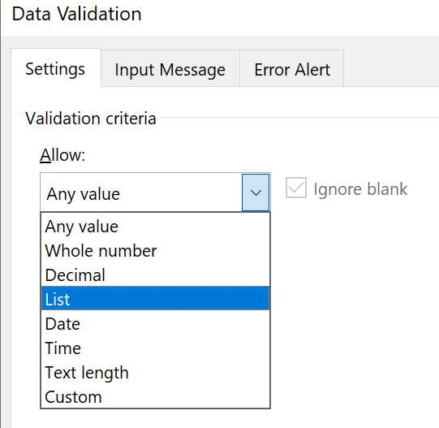
In the dialogue box, select 'List''

Then select the location of the list
which is cells E21:E26, below

The yellow cell below, enables you to select from the items in the list shown
 |  | Australia
 |  | Cambodia
 |  | China
 |  | Greece
 |  | Italy
 |  | Vietnam

Type the list into the dialogue box, with each name separated by a comma
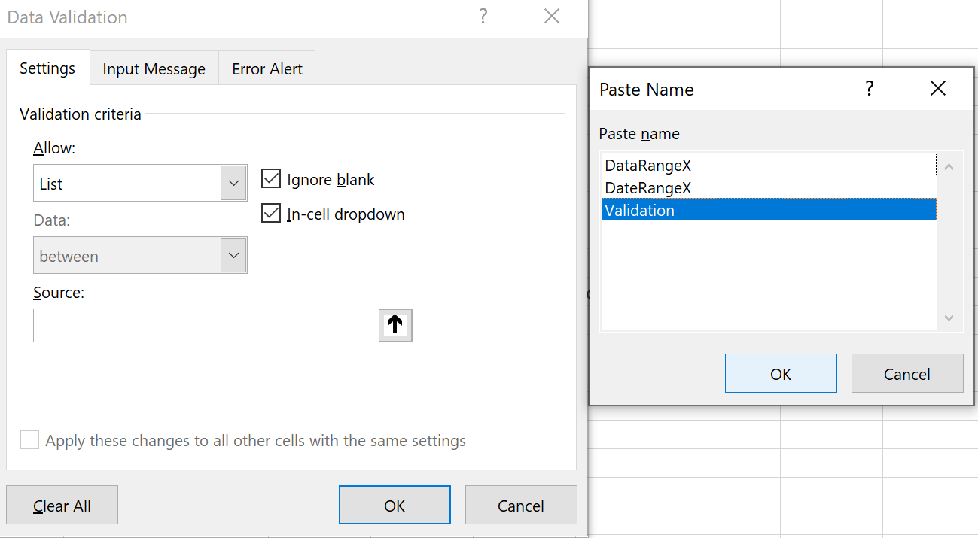

To add a range into the validation list
Create a list of names.
Select it, then Formulas > Define range > in dialogue box give the range a name
Then click on the validation icon, select 'List', place cursor into the Source box, press F3,
and paste the range name into the Source box

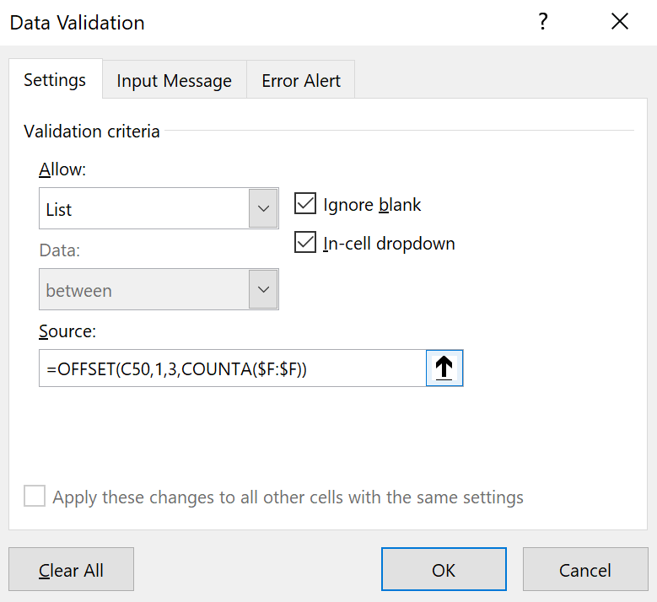
Paste an offset formula into the dialogue box (to create a list that can be enlarged)
The formula: OFFSET(C50,1,3,COUNTA($F:$F)) generates the list in green, from the list in the yellow cells
 | Australia
 | China | The list: | Australia
 | Greece |  | China
 | Italy |  | Greece
 | Vietnam |  | Italy
 |  |  | Vietnam
Copy the offset formula into the Source box in the validation dialogue box, to create a validation list that you can keep adding items to

To copy validated cells, so as to create a column of similarly validated cells…
Select the validated cell and paste into other cells

To delete validated cells, select the cell, click on validation icon and select 'Any value'

Ranges
Naming Ranges
 |  |  | Back to Index
Formulas > Define name.

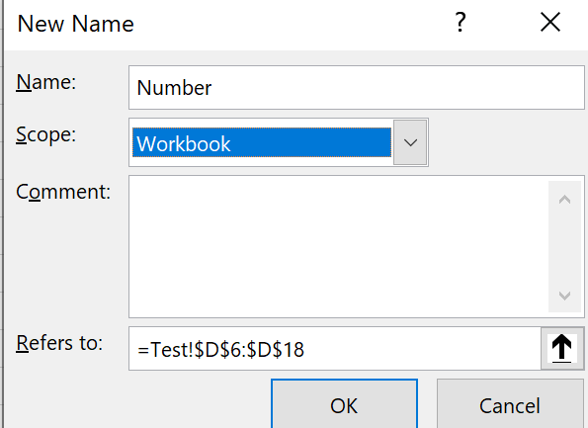
Then in the dialogue box, type the name of your range
select the scope (workbook or sheet)
and adjust the range if necessary

To manage names, goto Formulas > Name manager

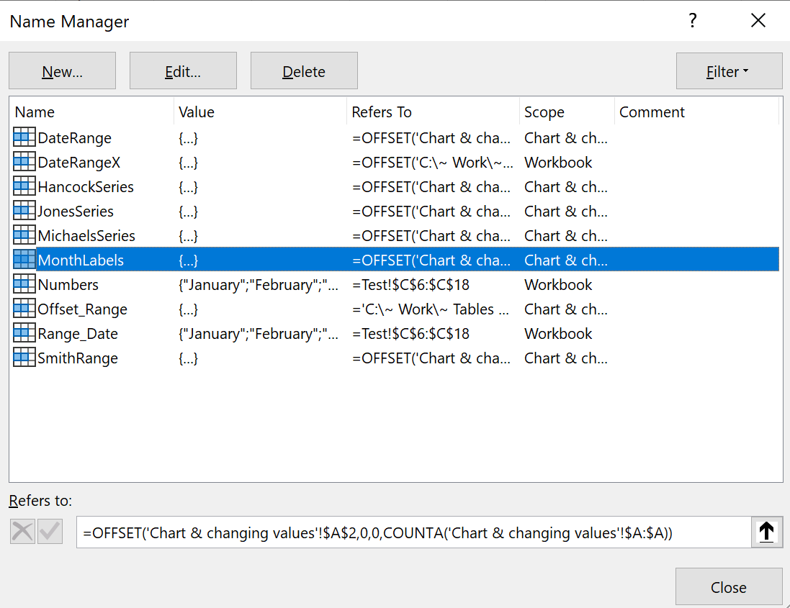

Here you can select a range, then delete or edit it

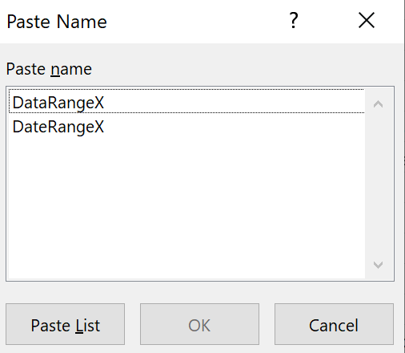

To paste a list of names - to view or check |  | and this dialogue box appears
Formulas > Use in Formula > Paste names
or/ press F33

And a list like this will appear
DateRange | ='Chart & changing values'!$B$1 MATCH('Chart & changing values'!$E$3,'Chart & changing values'!$A:$A,0)-1 0 MATCH('Chart & changing values'!$E$4,'Chart & changing values'!$A:$A,0) 'Chart & changing values'!$E$3 'Chart & changing values'!
DateRangeX | =OFFSET('C:\~ Work\~ Tables 2021\[T1066.xlsx]Sheet1'!$B$3,'C:\~ Work\~ Tables 2021\[T1066.xlsx]Sheet1'!$N$5,0,'C:\~ Work\~ Tables 2021\[T1066.xlsx]Sheet1'!$N$11-'C:\~ Work\~ Tables 2021\[T1066.xlsx]Sheet1'!$N$5+1)
HancockSeries | =OFFSET('Chart & changing values'!#REF!,0,0,COUNTA('Chart & changing values'!#REF!)-1)
JonesSeries | =OFFSET('Chart & changing values'!#REF!,0,0,COUNTA('Chart & changing values'!$C:$C)-1)
MichaelsSeries | =OFFSET('Chart & changing values'!#REF!,0,0,COUNTA('Chart & changing values'!#REF!)-1)
MonthLabels | =OFFSET('Chart & changing values'!$B$2,0,0,COUNTA('Chart & changing values'!$A:$A))

To use the name in a formula, type =Sum(name) etc When the name of the range is typed in, a blue line will form around this range

Pivot Tables
Pivot Tables
 | Back to Index
Creating a pivot table
Create a table, with all fields named, and no gaps between rows
On another sheet, place cursor in a cell – usually about two rows down and 2 across from the edge

Click on the pivot table icon

or Insert > Pivot Table

In the dialogue box which appears, select the table you have created, including its fields

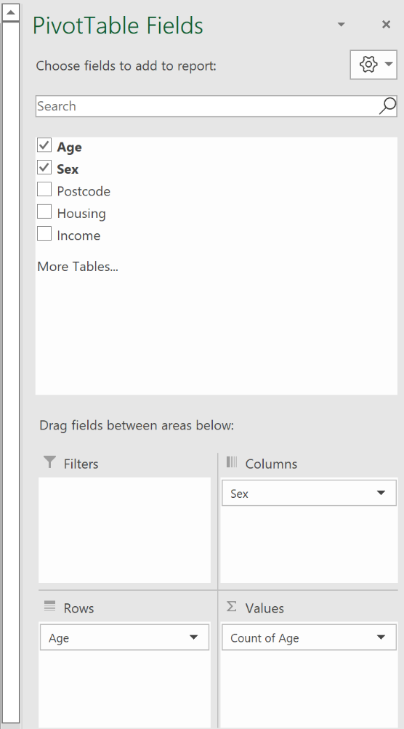
Selecting Variables for the Pivot Table
A pivot table will appear, but with no values in it. Place cursor within the pivot table and a box with the pivot table fields will appear
Drag and drop the names of the fields you require into the areas designated for rows, columns and filters.

Importantly though, you must select a variable to form the basis for the numbers which will appear in each cell of the pivot table

In the instance below, the variable ‘age’ was dragged into the area

Then it is necessary to click on the downward arrow to the age variable name then click on ‘Value field settings’.

This produces a dialogue box which allows you to determine whether the pivot table will present values representing:
‘* Count of age – the number of rows containing any age value, for each combination of age and sex in the table
‘* Sum of age – the total of the ages for all rows of a particular combination of age and sex in the table
‘* Average of age – the average of the ages for all rows of any particular combination of age and sex in the table
Often the count is the most suitable, as it will count the number of cases or rows (which in a survey may represent people) who fall within each combination of categories of sex and age.

Now you have a pivot table.

Adjusting the Pivot Table
Click on the heading ‘Pivot Table Analyse’ to view options for adjusting your table

Changing a Field Name in the original table
If you change a field name in the table, click on the Refresh button under the ‘Pivot Table Analyse’ ribbon, above

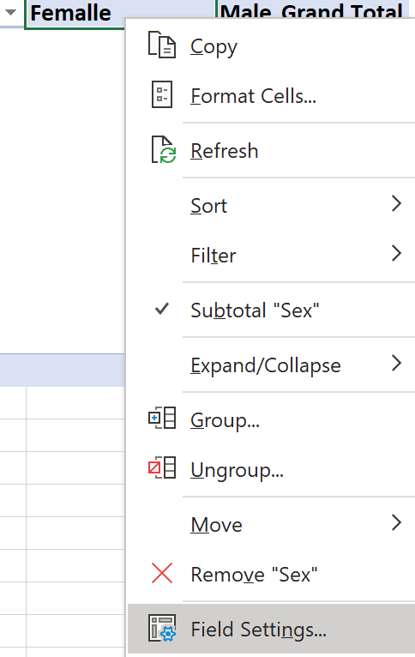
Changing Data Source
Click the button ‘Change data source’ in the ribbon and follow the prompts

Showing calls with no data
Generally it is most useful to view all combinations of your selected variables in the pivot table – including ones with a value of zero
Right-click on a category heading (such as ‘female’ in this case), and select ‘field settings’

Click the Layout and Print tab
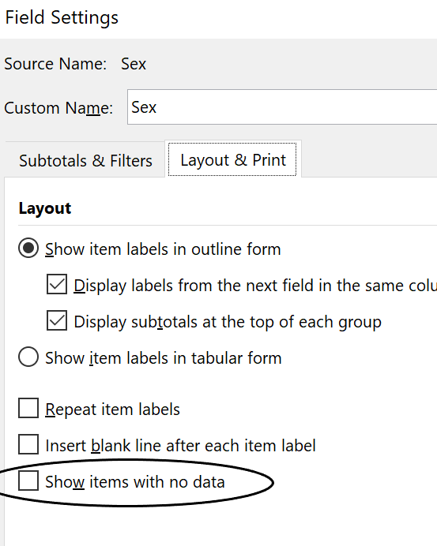
Check ‘Show items with no data’

Filters
You can drag a variable into the ‘’Filters’ section of the dialogue box to the right, to get your pivot table to display results for a subset of your data.
For example, here, the variable ‘Suburb’ has been placed in the filter area.

To the left, it will appear above the rest of the pivot table, as the filter

Click on the downward-pointing arrow next to the name of your filter and a dialogue box appears

Check ‘Select multiple items’ and you can select any number of categories of the filter variable, as the range of records to be tabulated in the pivot table

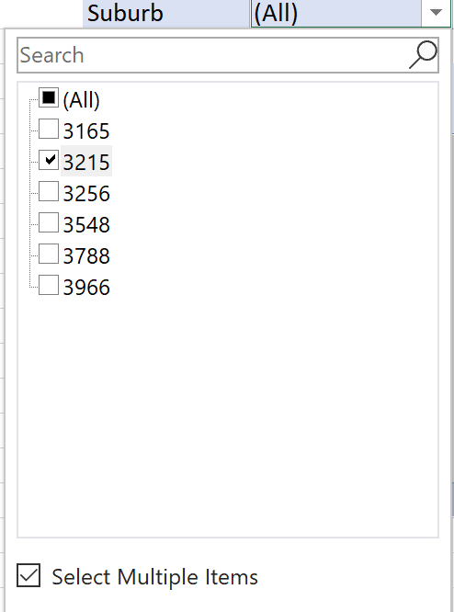
Here, the postcode 3215 has been selected. Now the pivot table will only display results for age and sex, for cases with this value for the postcode

Further manipulation of the pivot table
Once you have the basic table/s you require, it may be most useful to copy and transfer them to an Excel sheet, for further manipulation or formatting

Chart & selected values
Using Offset to Create a Chart which Shows any Range of Selected Values
A | To calculate averages, sums etc. from a growing table |  |  |  | B | How to create a chart to display a variable range of data |  |  | Back to Index
 | Type in formula, selecting the required range, as per normal
 | Referring to table | Just referring to cells |  |  | 1. Scrollbar delivers a value (top cell, below)
 | 105.7 | 130.3
Date | Weight | Height | Workload | Other | 1 | Jan-11 | 20 | 2. Value appears at the top of the column, and succeeding values are calculated by adding 1 with each row down
Jan-11 | 20 | 52 | 12 | 102 | 2 | Feb-11 | 50
Feb-11 | 50 | 63 | 54 | 150 | 3 | Mar-11 | 60 | 3. Offset formula starts at cell C6, and selects a value in same column but down by the number shown on left
Mar-11 | 60 | 85 | 15 | 142 | 4 | Apr-11 | 20 | Formula is either: =OFFSET(C$6,I6,,) or OFFSET(Table2[[#Headers],[Date]],I6,0)
Apr-11 | 20 | 69 | 20 | 133 | 5 | May-11 | 25
May-11 | 25 | 87 | 25 | 124 | 6 | Jun-11 | 54 | 4. Vlookup formula looks up the date selected by the offset formula, within the table, then selects value in the adjacent column
Jun-11 | 54 | 54 | 12 | 115
Jul-11 | 25 | 87 | 15 | 106 |  |  |  | 5. Chart below, graphs the results
Aug-11 | 65 | 48 | 14 | 105
Sep-11 | 36 | 96 | 13 | 122
Oct-11 | 22 | 58 | 16 | 146
Nov-11 | 12 | 45 | 18 | 136
Dec-11 | 47 | 87 | 14 | 155
Jan-12 | 44 | 88 | 16 | 160
Feb-12 | 55 | 100 | 20 | 200
Mar-12 | 45 | 65 | 88 | 44
Apr-12 | 1111 | 1000

Remember:
To create a named table: Select area of table > Control T
To create a named range: Control F3
To paste an existing named range (eg: into a validation dialogue box): F3

Sheet1
Creating a Chart that will Expand to Accommodate Additional Data
 |  |  |  |  |  |  |  | Back to Index

 |  |  | Here is a table of data
 |  |  | We want to be able to add to the table and have the chart reflect those results

 |  |  |  | Create offset formulae for the dates and results
 | Dates | Results |  | An offset formula is created to select all of the dates, and any further ones that may be added to the list
 | January | 4213 |  | For the dates the offset formula is =Offset($C$8,1,0,Counta($C:$C)-1) |  | For the results, the offset formula is OFFSET($D$8,1,0,COUNTA($D:$D)-1)
 | February | 3194 |  | Here is is | January |  | 4213
 | March | 2541 |  |  | February |  | 3194
 | April | 1214 |  |  | March |  | 2541
 | May | 2154 |  |  | April |  | 1214
 |  |  |  |  | May |  | 2154

 |  |  |  | All cell addresses must include $ signs so that they are absolute references

 |  |  |  | Give each of these ranges a name
 |  |  |  | Now we will give these offset formula results a name, as a named range
 |  |  |  | Press Control+F3 (or Formulas > Define Name) and the name range dialogue box appears

 |  |  |  | Click 'New'
 |  |  |  | Type in the name of the range (DataRange in this case) and the offset formula which generated the range
 |  |  |  | which is =Offset($C$8,1,0,Counta($C:$C)-1), as shown above.
 |  |  |  | Select the name of the sheet ('Sheet1' in this case) as the scope of the named range. Then close the dialogue box.
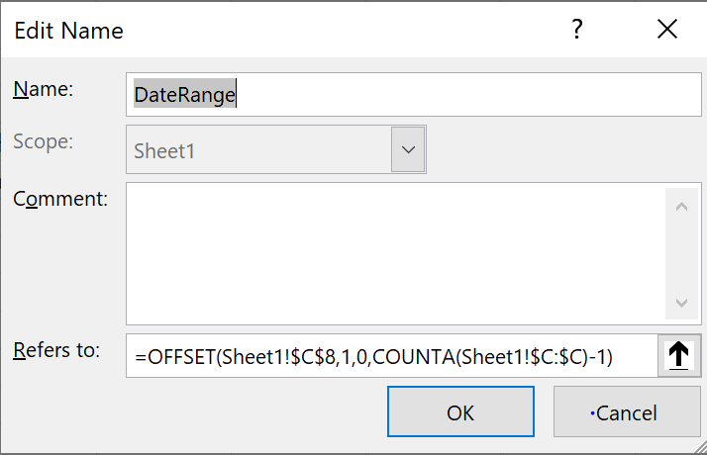

 |  |  |  | Do the same for the results, calling the offset range ResultsRange in this example
 |  |  |  | So now the offset ranges for the table are named DataRange and ResultsRange

 |  |  |  | Now add the ranges to a chart
 |  |  |  | Select an empty cell > click on the chart icon and select a chart type, and a chart border will appear - but there will be no chart, just a border
 |  |  |  | Select chart border > Chart Design > Select data > Place cursor in 'Chart data range' box > Select the data in the Results column, as shown in the table i.e.: cells $D$9:$D$13 (Don’t select the date labels)
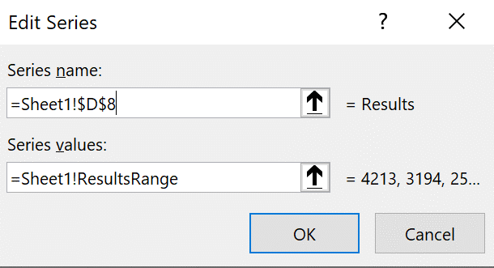
 |  |  |  | > Select 'Series 1' > Click 'Edit'
 |  |  |  | Select window 'series values' > delete its contents > press F3 > select the range (ResultsRange in this case) > Click OK
 |  |  |  | (If it fails to include the sheet name in the formula, add '=Sheetname!' first, then press F3 to add range name
 |  |  |  | Type in or select the address for the series name. Which is $C$8, containing the name 'Results'
 |  |  |  |  |  | The dialogue box will look like this F

 |  |  |  | Under heading 'horizontal (category) axis labels', click 'Edit' > place cursor in the window 'Axis label range'
 |  |  |  | > Type F3 > paste the dynamic range in (in this case, 'DateRange')
 |  |  |  | It should look like this, with the sheet name being included automatically
 |  |  |  | Click OK

 |  |  |  | You will end up with a chart like this one. And if you add a new date and value, the chart will expand to encompass the new data
 | Results
January | 4213
February | 3194
March | 2541
April | 1214
May | 2154
 | $C$$8
January | 4213
February | 3194
March | 2541
April | 1214
May | 2154

Chart & changing values
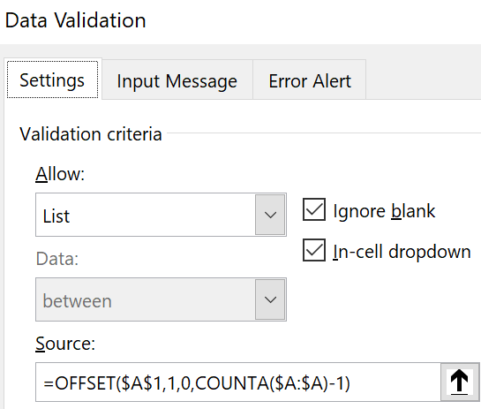
Column1 | Smith | Using a Validation List then an Offset and Match formula to select any range of labels and values for a chart
January | 4213 |  | Smithrange | Daterange |  | Back to Index
February | 3194 | January | 3194 | February
March | 2541 | March
April | 1214 | A validation list for selecting the start and end months for a chart
May | 2525 | A validation list is set up with formula =OFFSET($A$1,1,0,COUNTA($A:$A)-1)
 |  | This gives a list of the dates in the table above (E3:E4), for selection

 |  | Next, a start and end date is selected in cells E3 and E4, using that validation list

 |  | Using the Start and End dates to create offset formulae to select relevant data then name
 |  | Using the start and end dates, an offset & match formula defines the range of months chosen in cells E3:E4 (Daterange) and the corresponding data for that range of months (Smithrange) ranges
 |  | For the data, the range formula is: =@OFFSET('Chart & changing values'!$B$1,MATCH($E$3,'Chart & changing values'!$A:$A,0)-1,0,MATCH($E$4,'Chart & changing values'!$A:$A,0)-MATCH($E$3,'Chart & changing values'!$A:$A,0)+1)
 |  | This means the offset formula steps down from the heading 'Smith' to 'January' since it matches the start date selected in Cell E3, then proceeds as many steps downward as the difference between the Match location of 'April', chosen in cell E4, and January, chosen in cell E3
 |  | These two ranges are named: Column1 as Daterange, and Smith as Smithrange

 |  | Incorporating the range names into a chart
 |  | The range names define the data required for the chart
 |  | They must now be incorporated into the data parameters of the chart

 |  | Select an empty cell > click on the chart icon and select a chart type, and a chart border will appear - but there will be no chart, just a border
 |  | Select chart border > Chart Design > Select data > Place cursor in 'Chart data range' box > Select the data in the Results column, as shown in the table i.e.: cells $B$2:$B$5

 |  | > Select 'Series 1' > Click 'Edit'
 |  | Select window 'series values' > delete its contents > press F3 > select the range (Smithrange in this case) > Click OK
 |  | Type in or select the address for the series name. Which is $B$1, containing the name 'Smith'
 |  |  |  |  | The dialogue box will look like this F

 |  | Under heading 'horizontal (category) axis labels', click 'Edit' > place cursor in the window 'Axis label range'
 |  | > Type F3 > paste the dynamic range for the months in (in this case, 'Daterange')
 |  | It should look like this, with the sheet name being included automatically
 |  | Click OK

 |  | You will end up with a chart like this one. And if you add a new date and value, the chart will expand to encompass the data within the range of the two dates selected above, in cells E3 and E4

 | Smith
January | 4213
February | 3194
March | 2541

