Front
Select Municipality here F
 |  |  |  |  | STRUCTURE
Housing in Greater Dandenong |  |  |  | 1 | Separate house | 69.7 |  | Banyule | 1 | Separate houses | 69.7
 |  | 10 |  | 2 | Semi Detached | 18.4 |  | Bayside | 2 | Semi Detached | 18.4 | 1 | st
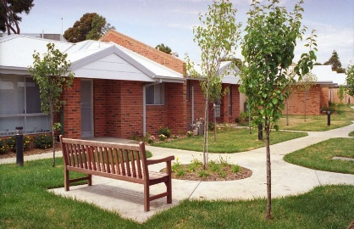
 | Housing Structure |  | Housing Tenure | 3 | Flat | 11.4 |  | Boroondara | 3 | Flats | 11.4 | 2 | nd
 | Most dwellings in Greater Dandenong are Separate houses. |  |  | 4 | Caravan | 0.2 |  | Brimbank | 4 | Other | 0.5 | 3 | rd
 |  |  | 62% | 5 | Cabin, houseboat | 0.2 |  | Cardinia |  |  |  | 4 | th
 |  |  |  | 6 | Improvised home, tent, sleepers out | 0.0 |  | Casey |  | Separate houses | 69.7 | 5 | th
 |  |  |  | 7 | House or flat attached to a shop, office, etc. | 0.1 |  | Darebin |  |  |  | 6 | th
 |  |  |  | 8 | Total | 100.0 |  | Frankston |  |  |  | 7 | th
 |  |  | of local dwellings are owned or being purchased by their owners, while a further 36% are rented. | 9 |  |  |  | Glen Eira |  |  |  | 8 | th
 |  |  |  | 10 | TENURE |  |  | Greater Dandenong |  |  |  | 9 | th
 |  |  |  | 11 | Owned outright | 30.6 |  | Hobsons Bay |  | All Owned |  | 10 | th
 |  |  | Among rented dwellings, 3.9% were being rented from governments or housing providers in 2021 - about 1.6 times the metropolitan average. | 12 | Owned with a mortgage | 31.8 |  | Hume |  | All Rented |  | 11 | th
 |  |  |  | 13 | All Owned | 62.4 |  | Kingston |  |  |  | 12 | th
 |  |  |  | 14 | Rented: Real estate agent | 24.1 |  | Knox |  |  |  | 13 | th
 |  |  |  | 15 | Rented: Other landlord type | 2.0 |  | Manningham |  |  |  | 14 | th
 |  |  |  | 16 | Rented: Person not in same household | 5.6 |  | Maribyrnong |  |  |  | 15 | th
 |  |  |  | 17 | Rented: State or territory housing authority | 3.3 |  | Maroondah |  |  |  | 16 | th
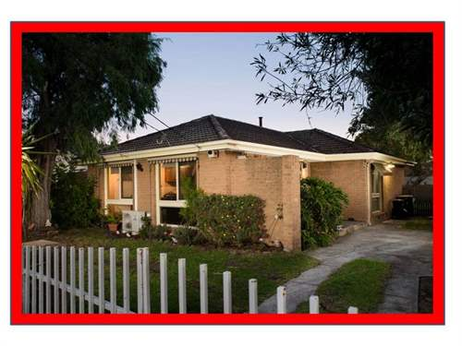
 | Housing Prices |  |  | 18 | Rented: Community housing provider | 0.6 |  | Melbourne |  | Higher than the metro average for govt h |  | 17 | th
 | The median purchase price of a separate house in Greater Dandenong stood at $765000 in early 2025, ranking this locality 23rd highest among the metropolitan municipalities in house prices. |  |  | 19 | Rented From Govt or Comm Housing Provider | 3.9 |  | Melton |  | 1.6 |  | 18 | th
 |  |  |  | 20 | All Rented | 35.6 |  | Monash |  |  |  | 19 | th
 |  |  |  | 21 |  |  |  | Moonee Valley |  |  |  | 20 | th
 |  |  |  | 22 | HOUSE PRICE |  |  | Moreland |  |  |  | 21 | st
 |  |  |  | 23 | 2025 | 765,000.0 |  | Mornington Peninsula |  |  |  | 22 | nd
 |  |  |  | 24 | Ranked Price | 23.0 | rd | Nillumbik |  |  |  | 23 | rd
 | Local house purchase prices rose from 3.2 times the average, local annual household income in 1996, to 10.3 times that average, by 2021 (diagram, right). |  |  | 25 | Per cent rise in 30 years to 2022 (after inflation | 81.5 |  | Port Phillip |  |  |  | 24 | th
 |  |  |  | 26 | HOUSE PRICE RELATIVE TO HOUSEHOLD INCOMES |  |  | Stonnington |  |  |  | 25 | th
 |  |  |  | 27 | 1996 | 3.2 |  | Whitehorse |  |  |  | 26 | th
 |  |  |  | 28 | 2001 | 4.2 |  | Whittlesea |  |  |  | 27 | th
 |  |  |  | 29 | 2006 | 6.5 |  | Wyndham |  |  |  | 28 | th
 |  |  |  | 30 | 2011 | 6.9 |  | Yarra |  |  |  | 29 | th
 |  |  |  | 31 | 2016 | 8.2 |  | Yarra Ranges |  |  |  | 30 | th
 |  |  |  | 32 | 2021 | 10.3 |  | metropolitan Melbourne |  |  |  | 31 | st
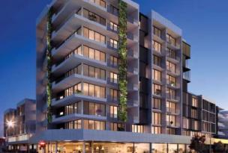
 | Rental Costs |  | The median rent for a two-bedroom flat in Greater Dandenong was $450 in mid-2024, ranking it as the 24th highest in Melbourne, and reflecting a rise of 82% in the past two decades (after inflation). | 33 | % change: 1996-2021 | 226.0
 |  |  |  | 34
 |  |  |  | 35 | RENTAL - TWO Bed flat
 |  |  |  | 36 | 2022 | 450.0
 |  |  |  | 37 | Change from 2002 after inflation | 82.3
 |  |  |  | 38 | Rank | 24.0 | th
 |  |  |  | 39
 |  |  | The proportion of two-bedroom rental units that were affordable to a family on Centrelink payments in Greater Dandenong declined from its 20-year peak of 82.9% in 2003, to 4.2% by 2024 (diagram, left). | 40 | Affordable Two bed
 |  |  |  | 41 | 2000 | 45.0 |  | 82.9 | 4
 |  |  |  | 42 | 2001 | 61.6 |  | 2003
 |  |  |  | 43 | 2002 | 80.3
 |  |  |  | 44 | 2003 | 82.9
 |  |  |  | 45 | 2004 | 80.7
 |  |  |  | 46 | 2005 | 80.0
 |  |  |  | 47 | 2006 | 78.7
 | Homelessness |  |  | 48 | 2007 | 64.1
 | In 2021, 2366 residents of Greater Dandenong were homeless, representing a rise of 851 in the previous decade, and a rate of 15 homeless persons per 1,000 residents. |  |  | 49 | 2008 | 33.3
 |  |  |  | 50 | 2009 | 22.6
 |  |  |  | 51 | 2010 | 9.0
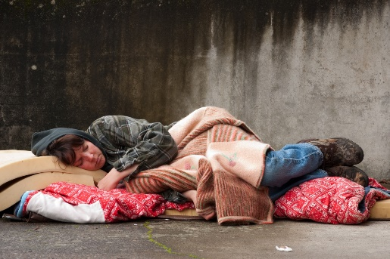
 |  |  |  | 52 | 2011 | 4.8
 |  |  |  | 53 | 2012 | 4.8
 |  |  |  | 54 | 2013 | 10.9
 |  |  |  | 55 | 2014 | 7.8
 | Such housing circumstances include boading houses, supported accommodation and severely crowded dwellings, which together account for about 94% of local homelessness |  |  | 56 | 2015 | 10.7
 |  |  |  | 57 | 2016 | 9.0
 |  |  |  | 58 | 2017 | 12.5
 |  |  |  | 59 | 2018 | 8.7
 |  |  |  | 60 | 2019 | 4.1
 |  |  |  | 61 | 2020 | 8.4
 |  |  |  | 62 | 2021 | 8.3
 |  |  |  | 63 | 2022 | 9.4
 |  |  |  | 64 | 2023 | 6.2
 |  |  |  | 65 | 2024 | 4.2
 |  |  |  | 66 | 2025 | 0.0
 |  |  |  | 67 | 2026 | 0.0
 |  |  |  | 68 | 2027 | 0.0
 |  |  |  | 69 | 2028 | 0.0
 |  |  |  | 70
 |  |  |  | 71 | Homelessness
 |  |  |  | 72 | 2011 | 1,515.0 |  | rise
 |  |  |  | 73 | 2016 | 1,942.0
 |  |  |  | 74 | 2021 | 2,366.0
 |  |  |  | 75 | Homeless/ 1,000 pop | 15.0
 |  |  |  | 76 | Change: 2011-2021 | 851.0
 |  |  |  | 77
 |  |  |  | 78 | Homeless Groups
 |  |  |  | 79 | Improvised dwellings | 0.9 | 93.7
 |  |  |  | 80 | Supported accommodation | 16.1
 |  |  |  | 81 | Temporarily with other households | 1.9
 |  |  |  | 82 | Boarding houses | 30.6
 |  |  |  | 83 | Other temp accom. | 3.7
 |  |  |  | 84 | Severely' crowded dwellings | 47.0
 |  |  |  | 85 | Total homeless | 100.0

